Status Code
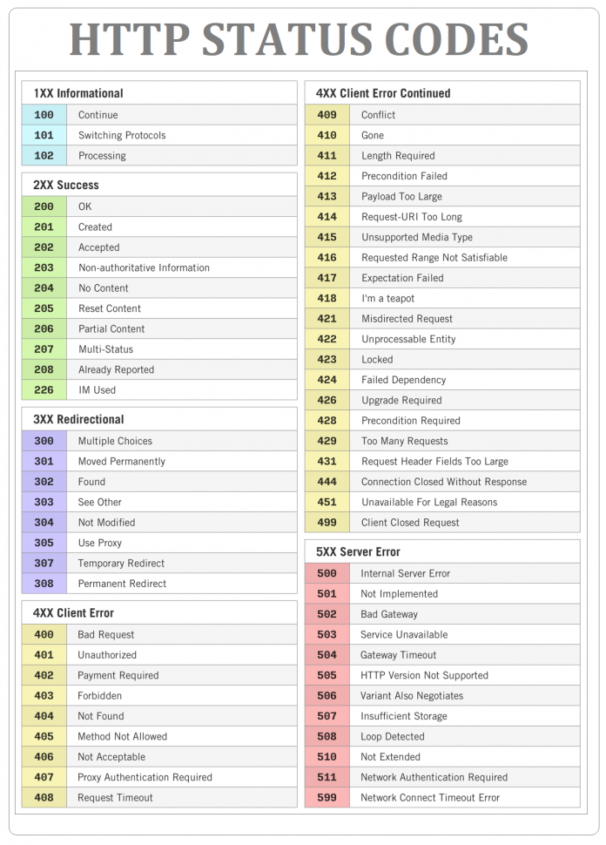
https://bytenbit.com/best-guidelines-design-restful-api/
https://stackoverflow.blog/2020/03/02/best-practices-for-rest-api-design/
https://jsonapi.org/

